Sheet1
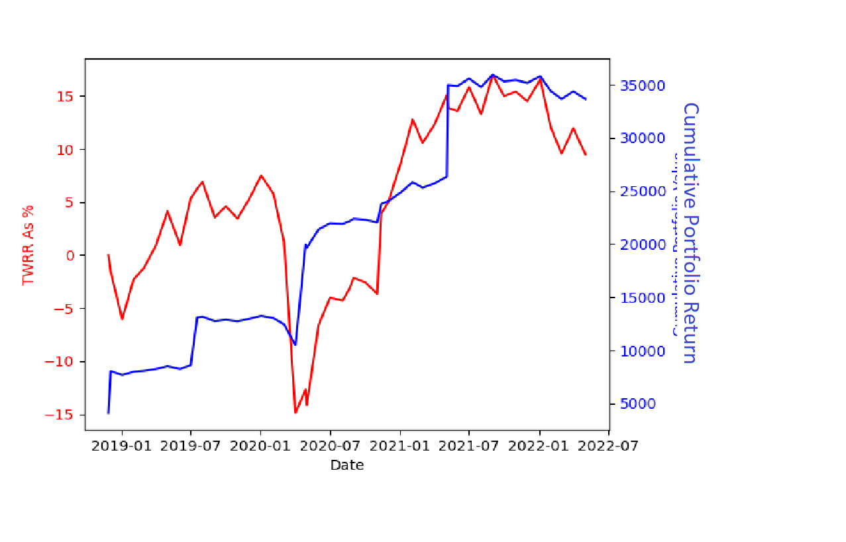
Transaction Date | Portfolio Valuation | Cumulative TWRR | TWRR HP | Margetts International Strategy Fund S Acc Units | Margetts Select Strategy Fund S Acc Units | Margetts Venture Strategy Fund S Acc Units | Margetts Venture Strategy Fund R Acc Units | Margetts International Strategy Fund R Acc Units | Margetts Select Strategy Fund R Acc Units
27/11/2018 | £4101.99 | 0% | 0% | 0 | 0 | 0 | 238.012 | 442.349 | 272.501
03/12/2018 | £8029.63 | -1.58% | -1.58% | 0 | 0 | 0 | 457.884 | 851.24 | 528.728
02/01/2019 | £7664.61 | -6.05% | -4.55% | 0 | 0 | 0 | 457.501 | 850.532 | 528.289
01/02/2019 | £7971.16 | -2.29% | 4.0% | 0 | 0 | 0 | 457.125 | 849.829 | 527.851
01/03/2019 | £8063.04 | -1.17% | 1.15% | 0 | 0 | 0 | 456.745 | 849.12 | 527.41
01/04/2019 | £8236.2 | 0.96% | 2.15% | 0 | 0 | 0 | 456.368 | 848.416 | 526.973
01/05/2019 | £8495.74 | 4.14% | 3.15% | 0 | 0 | 0 | 455.985 | 847.708 | 526.533
03/06/2019 | £8235.65 | 0.95% | -3.06% | 0 | 0 | 0 | 455.605 | 847 | 526.094
01/07/2019 | £8594.3 | 5.35% | 4.35% | 0 | 0 | 0 | 455.225 | 846.298 | 525.658
18/07/2019 | £13076.04 | 6.27% | 0.88% | 0 | 0 | 0 | 672.483 | 1253.893 | 785.616
01/08/2019 | £13151.44 | 6.88% | 0.58% | 0 | 0 | 0 | 671.919 | 1252.841 | 784.956
02/09/2019 | £12741.72 | 3.55% | -3.12% | 0 | 0 | 0 | 671.364 | 1251.808 | 784.307
01/10/2019 | £12870.11 | 4.6% | 1.01% | 0 | 0 | 0 | 670.803 | 1250.762 | 783.652
01/11/2019 | £12727.35 | 3.44% | -1.11% | 0 | 0 | 0 | 670.242 | 1249.716 | 782.996
02/12/2019 | £12957.99 | 5.31% | 1.81% | 0 | 0 | 0 | 669.681 | 1248.672 | 782.342
02/01/2020 | £13226.67 | 7.49% | 2.07% | 0 | 0 | 0 | 669.117 | 1247.622 | 781.685
03/02/2020 | £13019.02 | 5.81% | -1.57% | 0 | 0 | 0 | 668.551 | 1246.574 | 781.028
02/03/2020 | £12457.58 | 1.24% | -4.31% | 0 | 0 | 0 | 668.007 | 1245.565 | 780.391
01/04/2020 | £10472.46 | -14.89% | -15.93% | 0 | 0 | 0 | 667.428 | 1244.482 | 779.719
28/04/2020 | £19979.49 | -12.67% | 2.6% | 0 | 0 | 0 | 1181.795 | 2171.997 | 1383.467
01/05/2020 | £19645.21 | -14.13% | -1.67% | 0 | 0 | 0 | 1180.765 | 2170.118 | 1382.279
01/06/2020 | £21373.31 | -6.58% | 8.8% | 0 | 0 | 0 | 1179.792 | 2168.316 | 1381.13
01/07/2020 | £21962.91 | -4.0% | 2.76% | 0 | 0 | 0 | 1178.814 | 2166.522 | 1379.984
03/08/2020 | £21900.39 | -4.28% | -0.28% | 0 | 0 | 0 | 1177.823 | 2164.707 | 1378.833
21/08/2020 | £22151.11 | -3.18% | 1.14% | 2137.028 | 1360.009 | 1163.228 | 0 | 0 | 0
01/09/2020 | £22389.32 | -2.14% | 1.08% | 2135.236 | 1358.871 | 1162.254 | 0 | 0 | 0
01/10/2020 | £22292.79 | -2.56% | -0.43% | 2133.456 | 1357.738 | 1161.288 | 0 | 0 | 0
02/11/2020 | £22040.05 | -3.67% | -1.13% | 2131.672 | 1356.604 | 1160.309 | 0 | 0 | 0
13/11/2020 | £23779.72 | 3.94% | 7.89% | 1555.78 | 479.241 | 2268.854 | 0 | 0 | 0
01/12/2020 | £24018.47 | 4.98% | 1.0% | 1554.481 | 478.842 | 2266.943 | 0 | 0 | 0
04/01/2021 | £24900.95 | 8.84% | 3.67% | 1553.181 | 478.441 | 2265.051 | 0 | 0 | 0
03/02/2021 | £25806.66 | 12.8% | 3.64% | 1551.907 | 478.046 | 2263.196 | 0 | 0 | 0
01/03/2021 | £25298.11 | 10.57% | -1.97% | 1550.596 | 477.643 | 2261.272 | 0 | 0 | 0
01/04/2021 | £25692.94 | 12.3% | 1.56% | 1549.302 | 477.244 | 2259.386 | 0 | 0 | 0
04/05/2021 | £26334.54 | 15.1% | 2.5% | 1548.003 | 476.845 | 2257.487 | 0 | 0 | 0
07/05/2021 | £34960.93 | 13.89% | -1.06% | 2223.922 | 945.092 | 2629.066 | 0 | 0 | 0
01/06/2021 | £34875.49 | 13.61% | -0.24% | 2222.072 | 944.307 | 2626.879 | 0 | 0 | 0
01/07/2021 | £35560.02 | 15.84% | 1.96% | 2220.214 | 943.516 | 2624.687 | 0 | 0 | 0
02/08/2021 | £34779.02 | 13.29% | -2.2% | 2218.358 | 942.727 | 2622.489 | 0 | 0 | 0
01/09/2021 | £35915.22 | 16.99% | 3.27% | 2216.524 | 941.945 | 2620.324 | 0 | 0 | 0
01/10/2021 | £35297.48 | 14.98% | -1.72% | 2214.675 | 941.16 | 2618.141 | 0 | 0 | 0
01/11/2021 | £35432.71 | 15.42% | 0.38% | 2212.83 | 940.374 | 2615.953 | 0 | 0 | 0
01/12/2021 | £35149.96 | 14.5% | -0.8% | 2210.971 | 939.585 | 2613.761 | 0 | 0 | 0
04/01/2022 | £35780.85 | 16.56% | 1.79% | 2209.128 | 938.802 | 2611.589 | 0 | 0 | 0
01/02/2022 | £34389.54 | 12.02% | -3.89% | 2207.31 | 938.025 | 2609.436 | 0 | 0 | 0
01/03/2022 | £33637.81 | 9.58% | -2.19% | 2205.481 | 937.244 | 2607.261 | 0 | 0 | 0
01/04/2022 | £34367.63 | 11.95% | 2.17% | 2203.634 | 936.461 | 2605.08 | 0 | 0 | 0
03/05/2022 | £33637.93 | 9.49% | -2.2% | 2203.634 | 936.461 | 2605.08 | 0 | 0 | 0

